Sheet1
 |  |  |  | Project Name :

Location | Product Code | Item | Key Description | Finish/Colour/Code | Supplier | Image | Quantity | Notes
Bench Seating
 | BS01 | Bench Seating | Bench Seating – Island (BSI) | Board selection for seating, backrest and coat rail: Panels: Durasafe 13mm [insert Durasafe colour here] Frame, leg and bracket finish: [delete not required colour] Pearl grey powder-coat Black powder-coat | DuraCube 1300 387 228 sales@duracube.com.au | 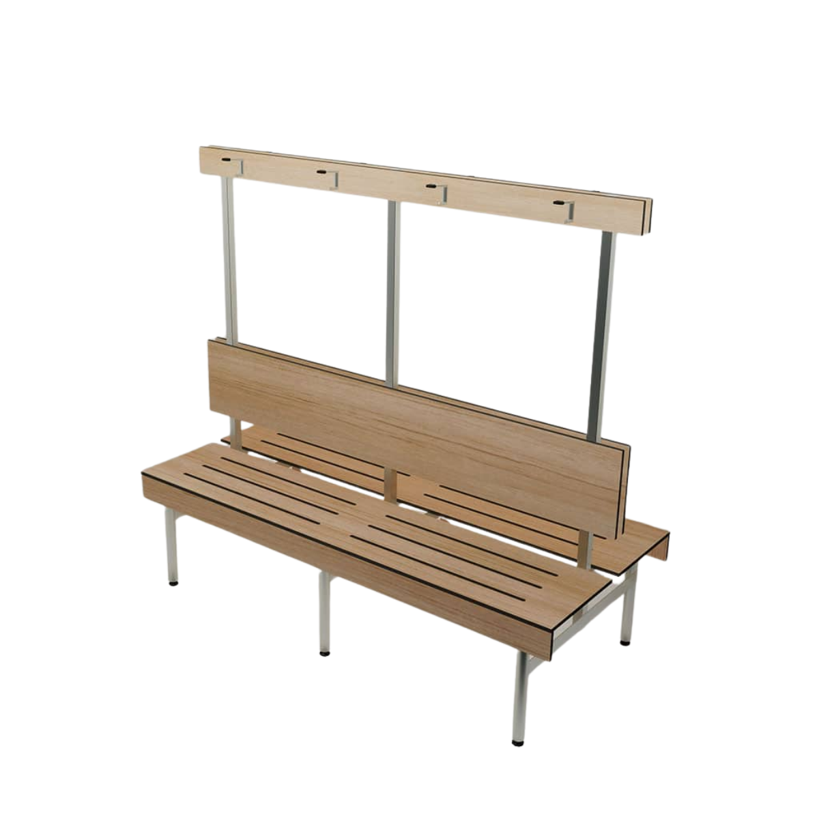
 | BS02 | Bench Seating | Bench Seating – Wall with Shelving (BSW-S) | Board selection for seating, backrest and coat rail: Panels: Durasafe 13mm [insert Durasafe colour here] Frame, leg and bracket finish: [delete not required colour] Pearl grey powder-coat Black powder-coat | DuraCube 1300 387 228 sales@duracube.com.au | 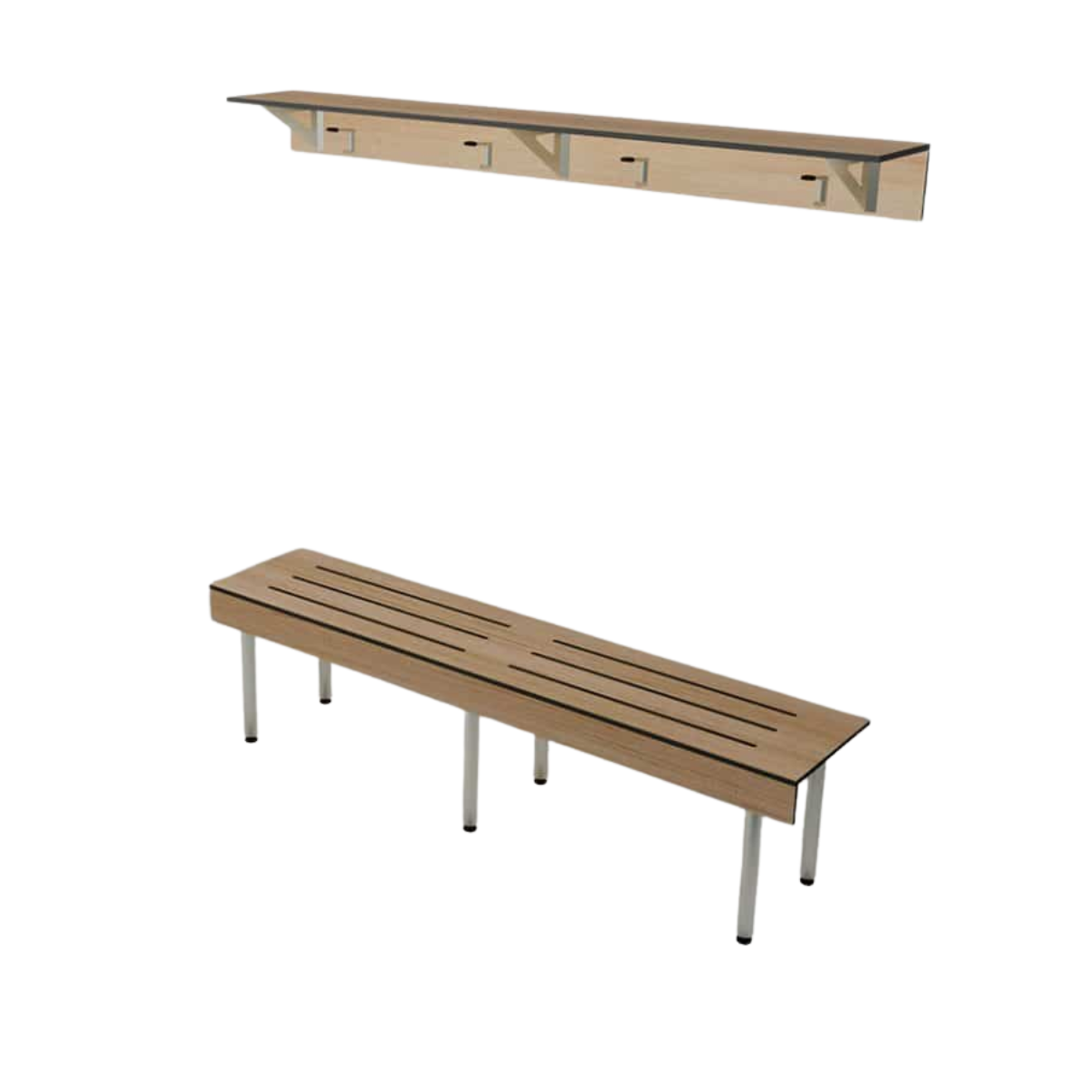
 | BS03 | Bench Seating | Bench Seating – Wall with Coat Rail (BSW-C) | Board selection for seating, backrest and coat rail: Panels: Durasafe 13mm [insert Durasafe colour here] Frame, leg and bracket finish: [delete not required colour] Pearl grey powder-coat Black powder-coat | DuraCube 1300 387 228 sales@duracube.com.au
 | BS04 | Bench Seating | Bench Seating - Shoe Box Island (SBI) | Board Selection for Seating: Panels: Durasafe 13mm [insert Durasafe colour here] Internal Carcass: [delete not required carcass] • Dry Area Lockers – water resistant white 16mm HMR board • Dry Area Lockers – water resistant black 16mm HMR board • Wet Area Lockers – 100% waterproof white 16mm PVC board Typical Depth: 815mm | DuraCube 1300 387 228 sales@duracube.com.au | 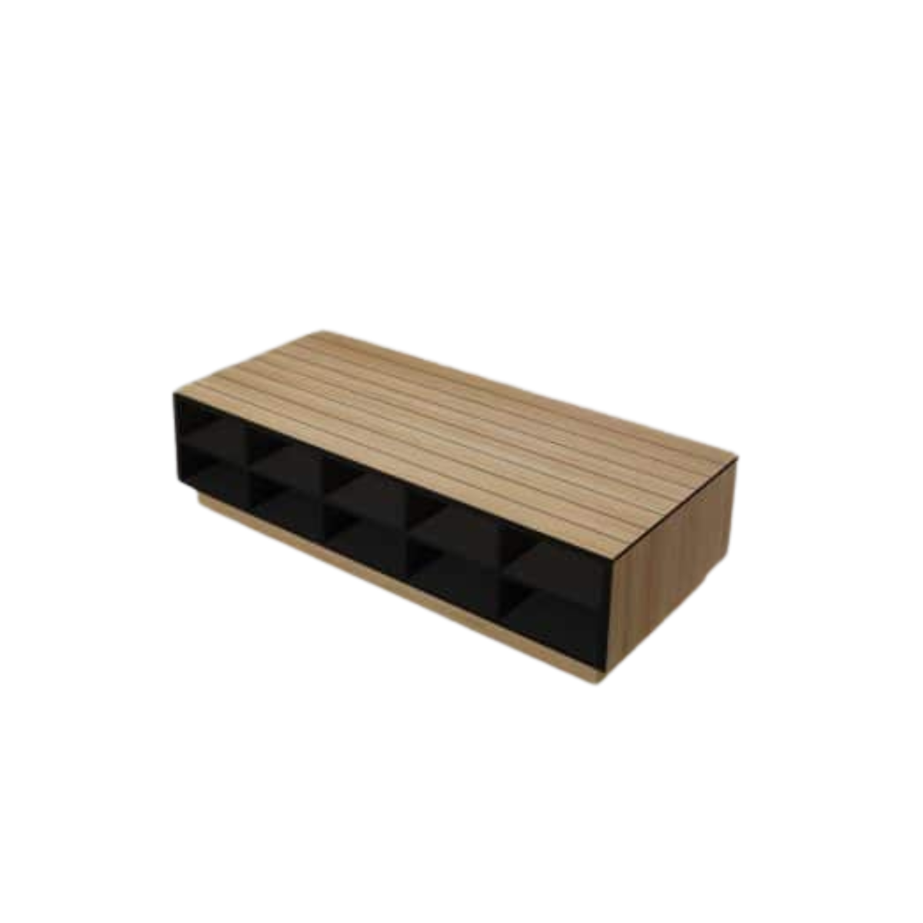
 | BS05 | Bench Seating | Bench Seating - Shoe Box Wall With Shelving (SBW-S) | Board Selection for Seating, Shelving, and Coat Rail: Panels: Durasafe 13mm [insert Durasafe colour here] Internal Carcass: [delete not required carcass] • Dry Area Lockers – water resistant white 16mm HMR board • Dry Area Lockers – water resistant black 16mm HMR board • Wet Area Lockers – 100% waterproof white 16mm PVC board Typical Depth: 385mm Typical Shelf Height: 1800mm | DuraCube 1300 387 228 sales@duracube.com.au | 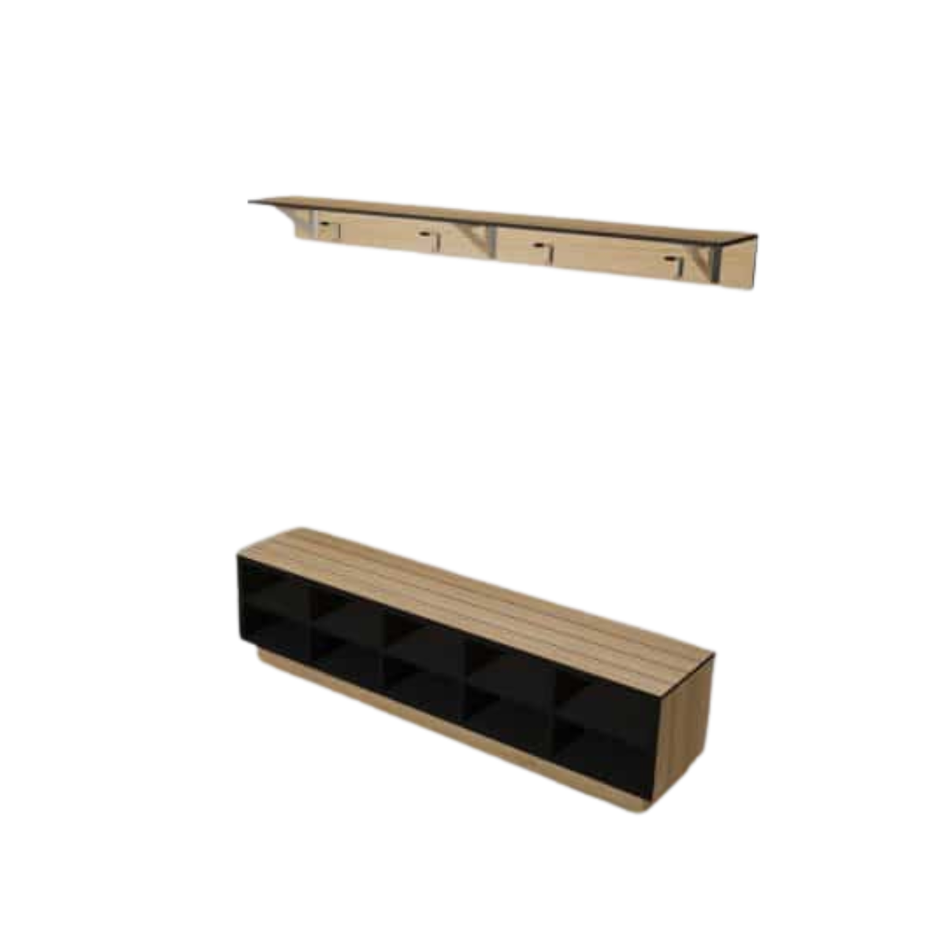
 | BS06 | Bench Seating | Bench Seating - Shoe Box Wall With Coat Rail (SBW-C) | Board Selection for Seating and Coat Rail: Panels: Durasafe 13mm [insert Durasafe colour here] Internal Carcass: [delete not required carcass] • Dry Area Lockers – water resistant white 16mm HMR board • Dry Area Lockers – water resistant black 16mm HMR board • Wet Area Lockers – 100% waterproof white 16mm PVC board Typical Depth: 385mm Typical Coat Rail Height: 1800mm | DuraCube 1300 387 228 sales@duracube.com.au | 