Sheet1
 |  |  |  | Project Name :

Location | Product Code | Item | Key Description | Finish/Colour/Code | Supplier | Image | Quantity | Notes
Toilet Partition System
 | TP01 | Toilet Partition System | Pedestal Mount - Overhead Braced (POB) | Board Selection: Doors: DuraSafe 13mm [insert DuraSafe colour here] Divisional panels/frontals: Durasafe 13mm [insert Durasafe colour here] Hardware: [Delete not required hardware] Viva Satin Chrome Hardware Viva Black Hardware Floor Mounting: Adjustable 200mm Aluminium Pedestal Legs | DuraCube 1300 387 228 sales@duracube.com.au | 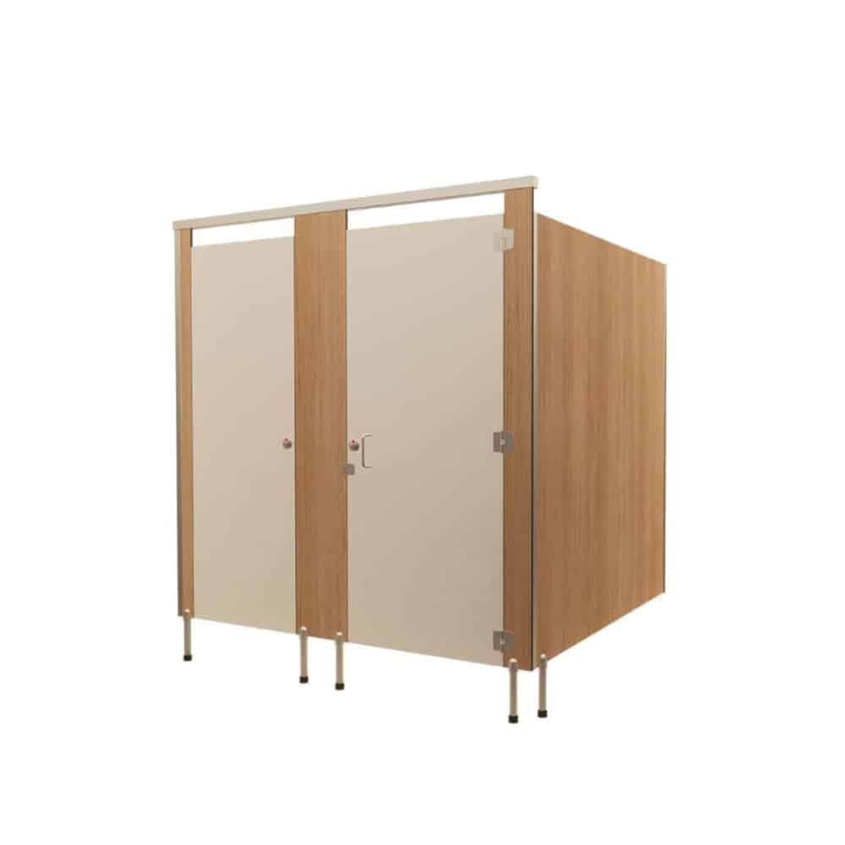
 | TP02 | Toilet Partition System | Pedestal Mount – Ceiling Fixed (PCF) | Board Selection: Doors: Durasafe 13mm [insert Durasafe colour here] Divisional panels/frontals: Durasafe 13mm [insert Durasafe colour here] Hardware: [Delete not required hardware] Viva Satin Chrome Hardware Viva Black Hardware Ceiling Fixing: Aluminium C Channel 20mm x 30mm fixed to the ceiling Floor Mounting: Adjustable 200mm Aluminium Pedestal Legs Overall System Height: 2400mm - 3000mm AFFL | DuraCube 1300 387 228 sales@duracube.com.au | 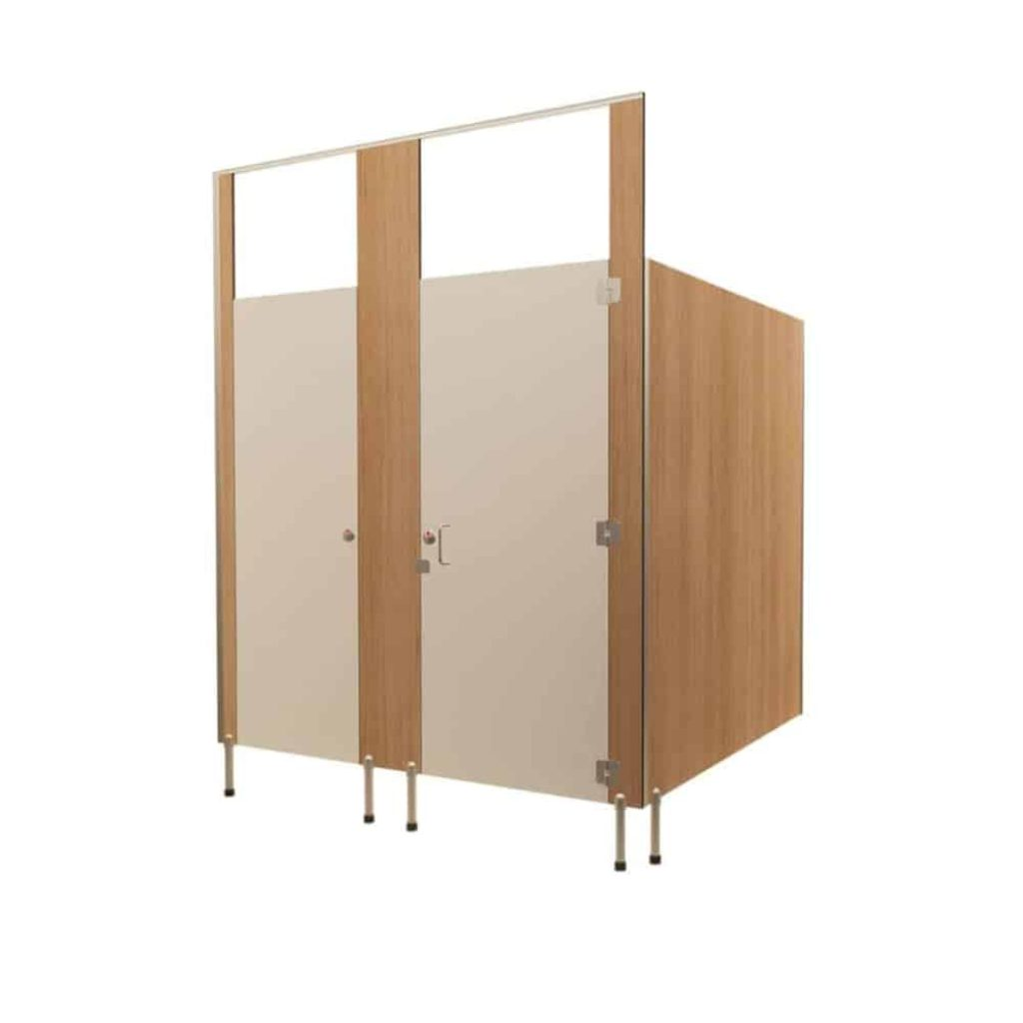
 | TP03 | Toilet Partition System | Floor Mount – Overhead Braced (FOB) | Board Selection: Doors: Durasafe 13mm [insert Durasafe colour here] Divisional panels/frontals: Durasafe 13mm [insert Durasafe colour here] Hardware: [Delete not required hardware] Viva Satin Chrome Hardware Viva Black Hardware Floor Mounting: Nibs fixed with 40 x 12mm powder-coated aluminium or optional skirt mount | DuraCube 1300 387 228 sales@duracube.com.au | 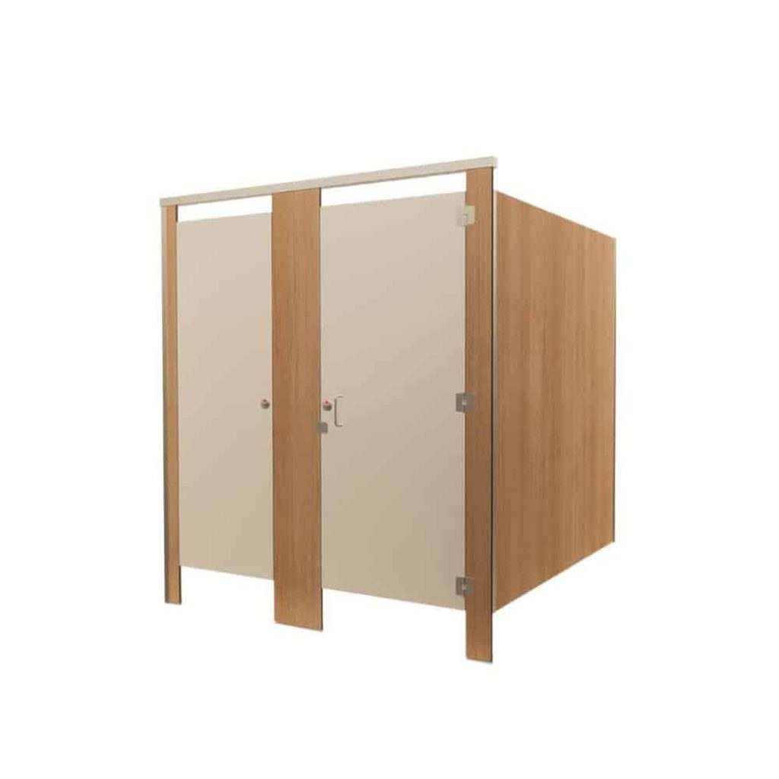
 | TP04 | Toilet Partition System | Floor Mount – Ceiling Fixed (FCF) | Board Selection: Doors: Durasafe 13mm [insert Durasafe colour here] Divisional panels/frontals: Durasafe 13mm [insert Durasafe colour here] Hardware: [Delete not required hardware] Viva Satin Chrome Hardware Viva Black Hardware Ceiling Mounting: 20 x 30mm powder coated aluminium C channel fixed to the ceiling Floor Mounting: Nibs fixed with 40 x 12mm powder coated aluminium or optional skirt mount | DuraCube 1300 387 228 sales@duracube.com.au | 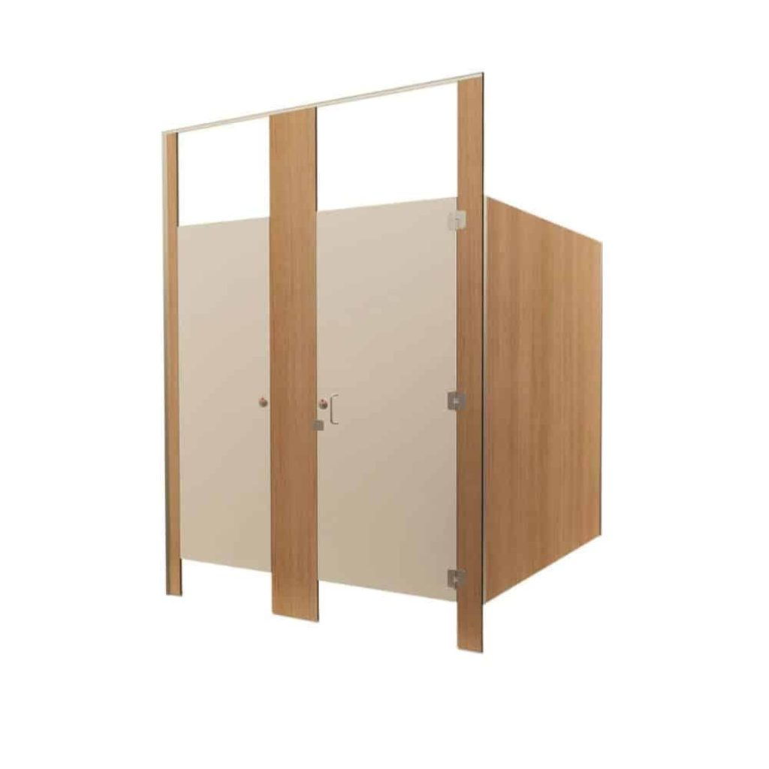
 | TP05 | Toilet Partition System | Floor Mount – Free Standing (FFS) | Board Selection: Doors: Durasafe 13mm [insert Durasafe colour here] Divisional panels/frontals: Durasafe 13mm [insert Durasafe colour here] Hardware: [Delete not required hardware] Viva Satin Chrome Hardware Viva Black Hardware Floor Mounting: Custom powder coated aluminium skirt mount | DuraCube 1300 387 228 sales@duracube.com.au | 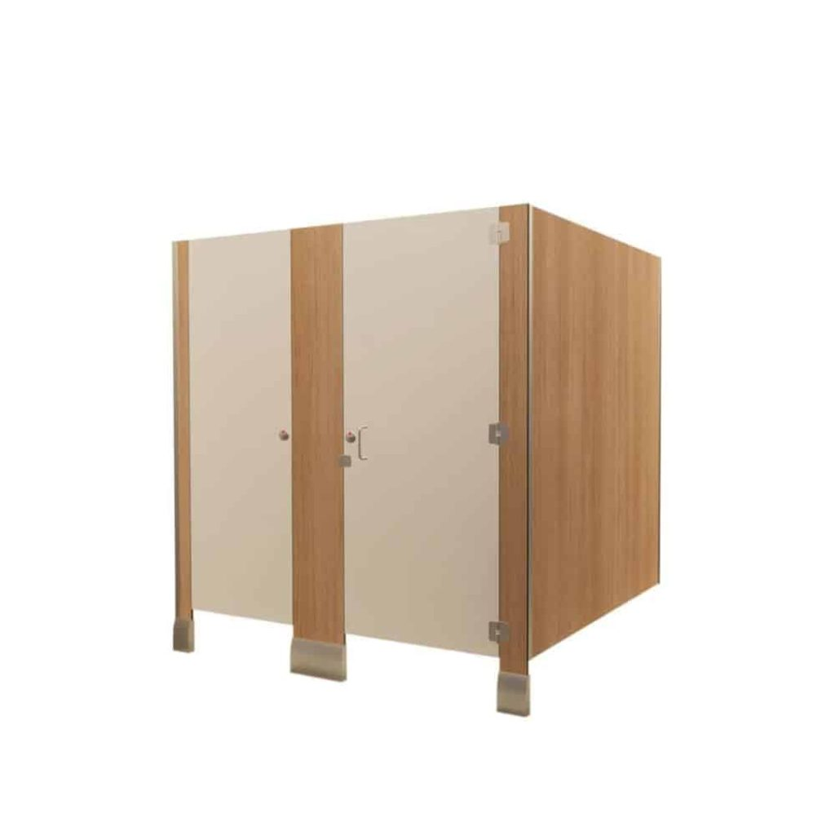
 | TP06 | Toilet Partition System | Full Height – Privacy Core (FHPC) | Board Selection: Doors: Durasafe 13mm [insert Durasafe colour here] Divisional panels/frontals: Durasafe 13mm [insert Durasafe colour here] Hardware: [Delete not required hardware] Viva Satin Chrome Hardware Viva Black Hardware Ceiling Mounting: 20 x 30mm power coated aluminium C channel fixed to the ceiling Floor Mounting: Nibs fixed with 40 x 12mm powder coated aluminium | DuraCube 1300 387 228 sales@duracube.com.au | 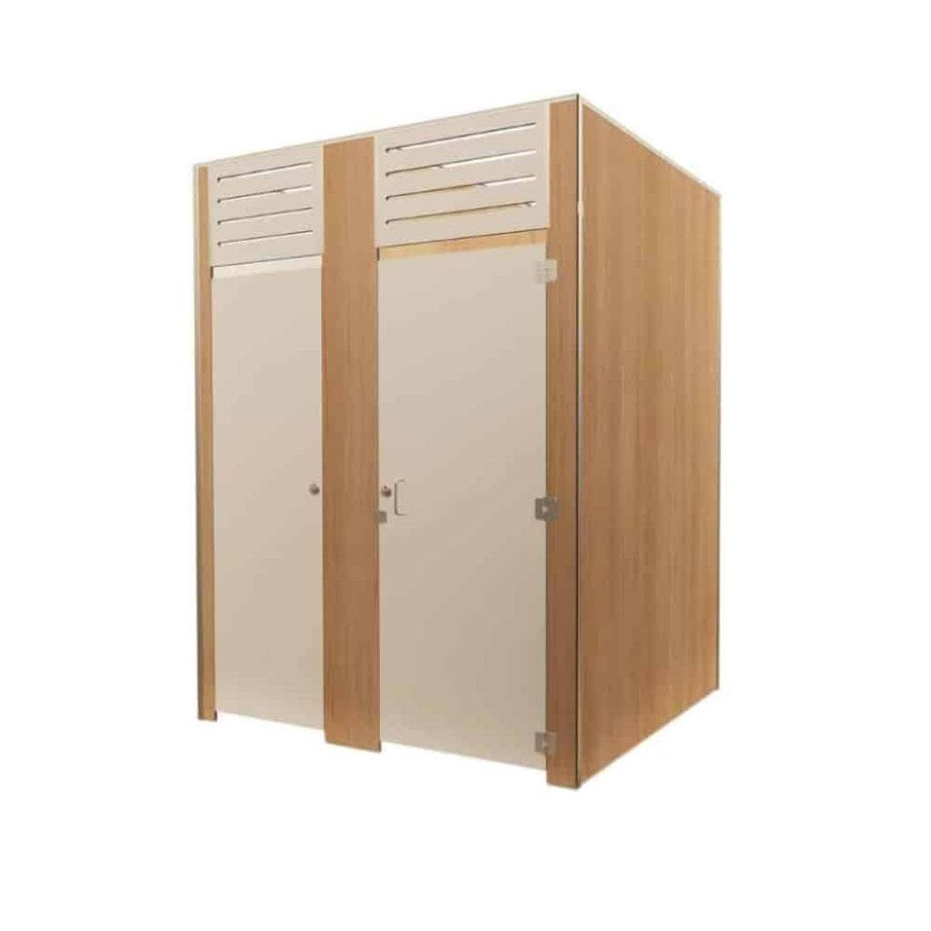
 | TP07 | Toilet Partition System | Full Height – Privacy Ultra (FHPU) | Board Selection: Doors: Durasafe 13mm [insert Durasafe colour here] Divisional panels/frontals: Durasafe 13mm [insert Durasafe colour here] Hardware: [Delete not required hardware] Viva Satin Chrome Hardware Viva Black Hardware Ceiling Mounting: 20 x 30mm power coated aluminium C channel fixed to the ceiling Floor Mounting: Nibs fixed with 40 x 12mm powder coated aluminium | DuraCube 1300 387 228 sales@duracube.com.au | 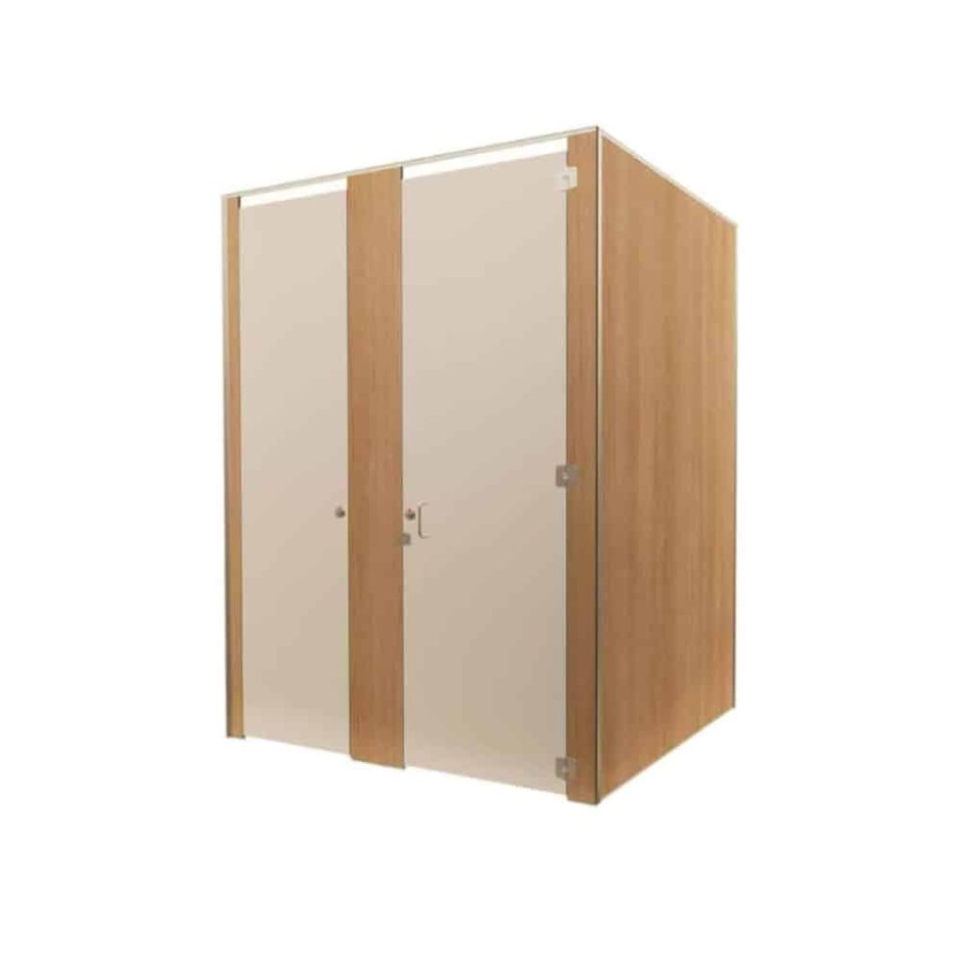
 | TP08 | Toilet Partition System | Full Height – Privacy Max (FHPM) | Board Selection: Doors: Durasafe 13mm [insert Durasafe colour here] Divisional panels/frontals: Durasafe 13mm [insert Durasafe colour here] Hardware: [Delete not required hardware] Viva Satin Chrome Hardware Viva Black Hardware Construction: Privacy Max Door Seals Privacy Max Ventilation Panel Ceiling Mounting: 20 x 30mm powder coated aluminium C channel fixed to the ceiling Floor Mounting: Aluminium Angle Overall System Height: Min. 2340mm to Max. 3000mm AFFL | DuraCube 1300 387 228 sales@duracube.com.au | 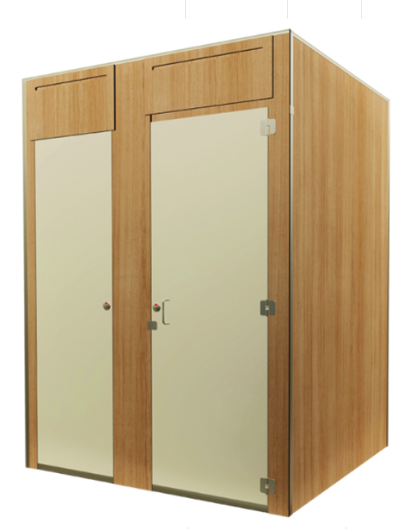
 | TP09 | Toilet Partition System | Full Height Self-Contained (FHSC) | Board Selection: Doors: Durasafe 13mm [insert Durasafe colour here] Divisional panels/frontals: Durasafe 13mm [insert Durasafe colour here] Hardware: [Delete not required hardware] Viva Satin Chrome Hardware Viva Black Hardware Construction: Privacy Max Door Seals Privacy Max Ventilation Panel Ceiling Mounting: 20 x 30mm powder coated aluminium C channel fixed to the ceiling Floor Mounting: Aluminium Angle Overall System Height: Min. 2100mm to Max. 3000mm AFFL | DuraCube 1300 387 228 sales@duracube.com.au | 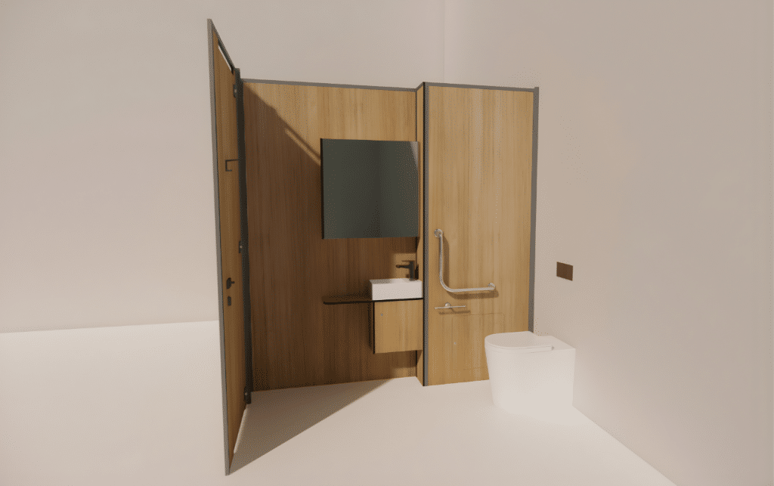
 | TP10 | Toilet Partition System | Full Height Self-Contained Cleaners Closet (FHSC-C) | Board Selection: Doors: Durasafe 13mm [insert Durasafe colour here] Divisional panels/frontals: Durasafe 13mm [insert Durasafe colour here] Hardware: [Delete not required hardware] Viva Satin Chrome Hardware Viva Black Hardware Construction: Privacy Max Door Seals Privacy Max Ventilation Panel Ceiling Mounting: 20 x 30mm powder coated aluminium C channel fixed to the ceiling Floor Mounting: Aluminium Angle Overall System Height: Min. 2100mm to Max. 3000mm AFFL | DuraCube 1300 387 228 sales@duracube.com.au | 