Sheet1
 |  |  |  | Project Name :

Location | Product Code | Item | Key Description | Finish/Colour/Code | Supplier | Image | Quantity | Notes

Privacy Panels
 | PP01 | Privacy Panel | Privacy Panel – Wall Mount (PWM) | Board Selection: Panels: Durasafe 13mm [insert Durasafe colour here] Mounting: Wall mount only with aluminium T-channel Typical Height: 1400mm AFFL Typical Width: 400mm | DuraCube 1300 387 228 sales@duracube.com.au | 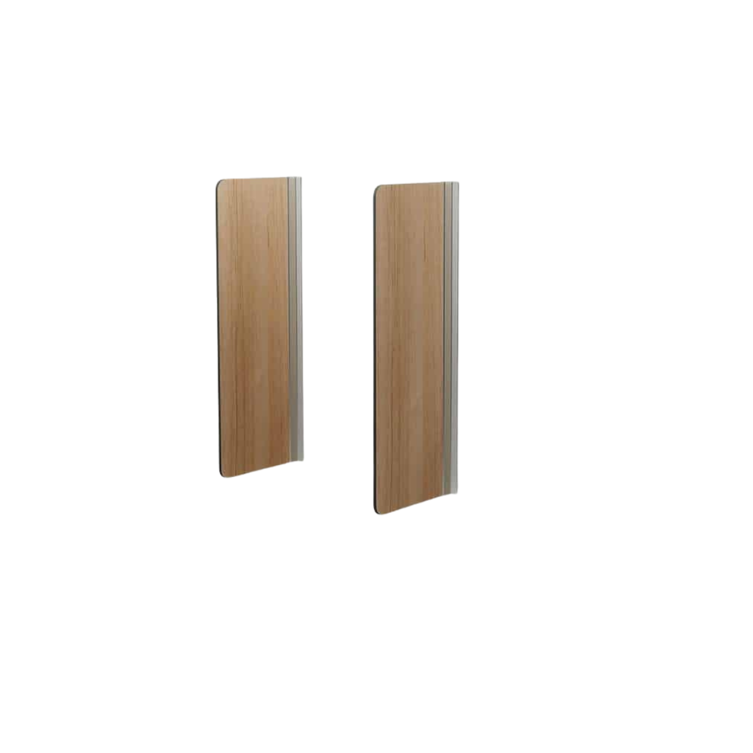
 | PP02 | Privacy Panel | Privacy Panel – Pedestal Mount (PPM) | Board Selection: Panels: Durasafe 13mm [insert Durasafe colour here] Mounting: Floor mount with adjustable 200mm aluminium pedestal legs Typical Height: 1400mm AFFL Typical Width: 400mm | DuraCube 1300 387 228 sales@duracube.com.au | 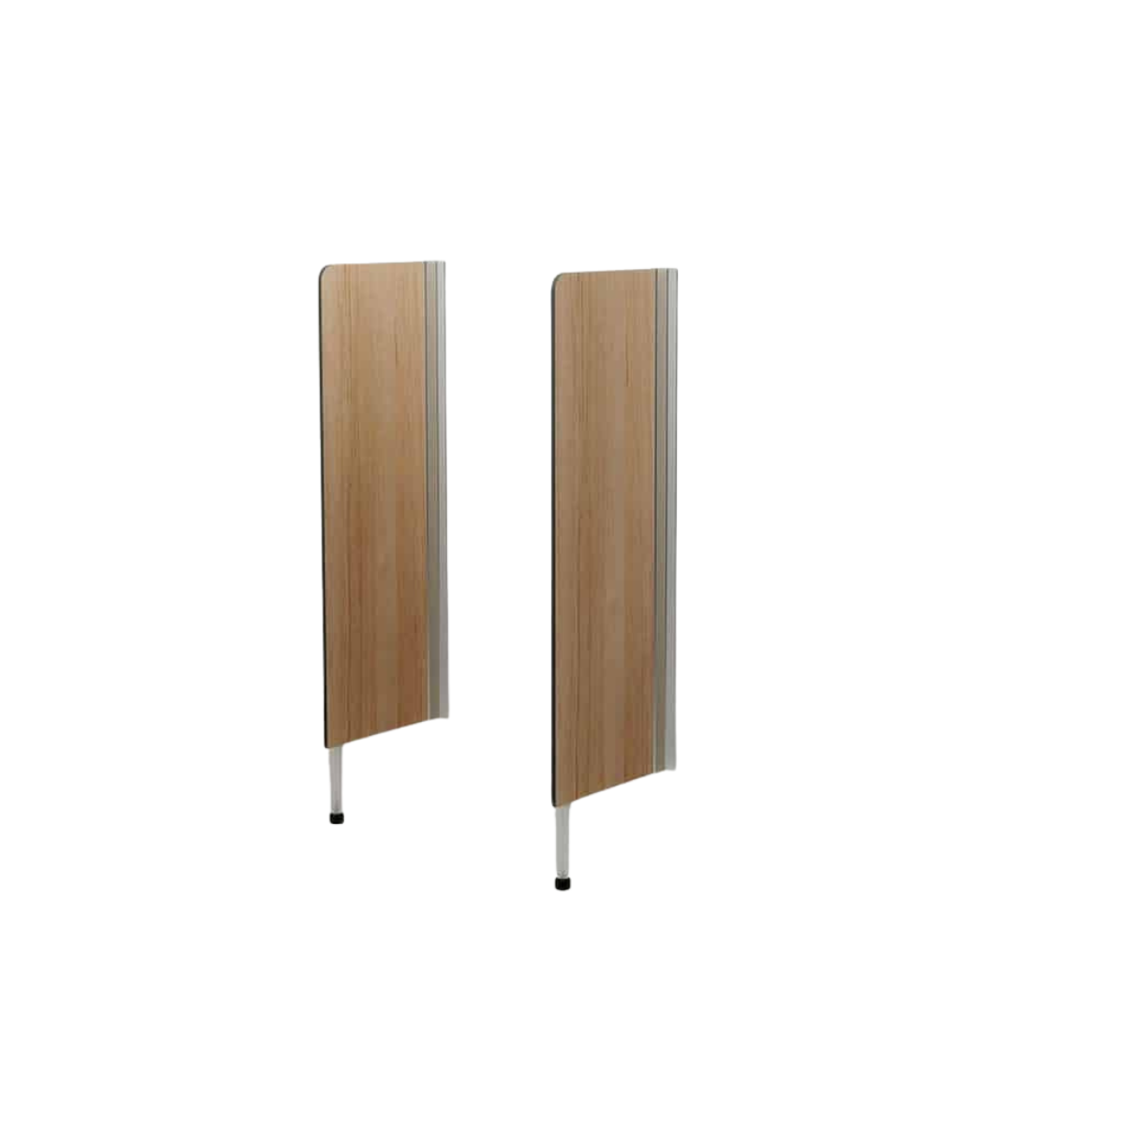
 | PP03 | Privacy Panel | Privacy Panel – Childcare (PCC) | Board Selection: Panels: Durasafe 13mm [insert Durasafe colour here] Mounting: Floor mount with adjustable 200mm aluminium pedestal legs Typical Height: 1000mm AFFL Typical Width: 800mm | DuraCube 1300 387 228 sales@duracube.com.au | 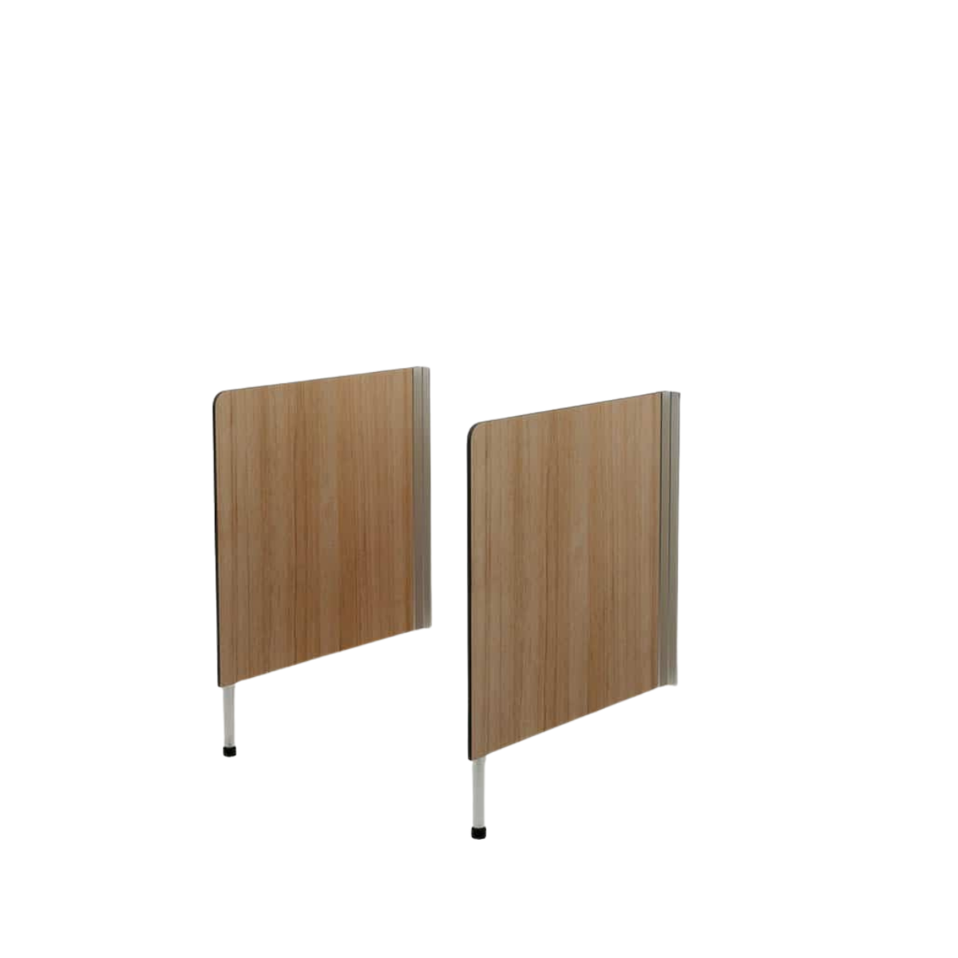
 | PP04 | Privacy Panel | Privacy Panel – Full Height (PFH) | Board Selection: Panels: Durasafe 13mm [insert Durasafe colour here] Mounting: Floor mount with aluminium angle Ceiling fixed with aluminium channel Typical Height: To ceiling max. 3000mm Typical Width: 400mm to 1200mm | DuraCube 1300 387 228 sales@duracube.com.au | 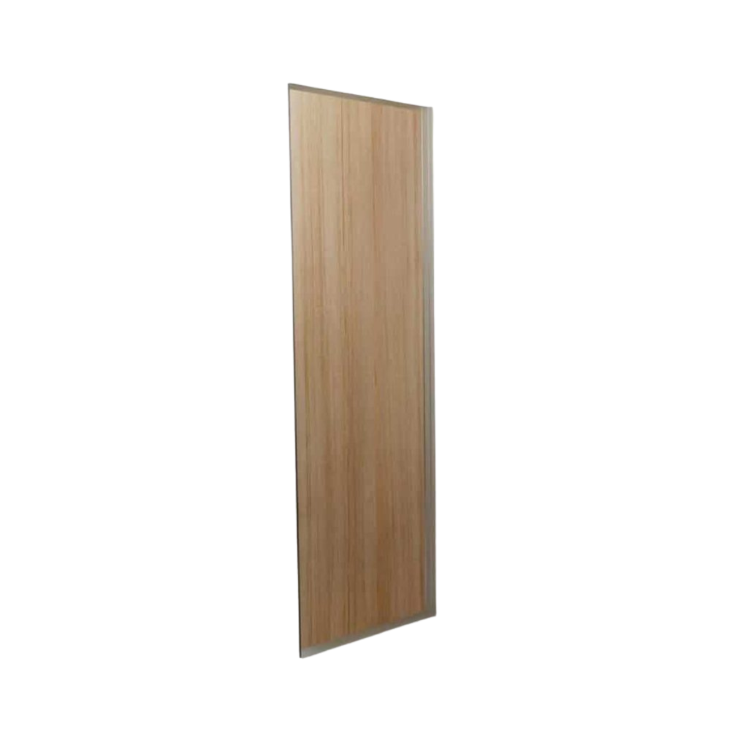
 | PP05 | Privacy Panel | Privacy Panel – Post Fixed (PPF) | Board Selection: Panels: Durasafe 13mm [insert Durasafe colour here] Mounting: 40 x 40mm floor to ceiling square post Typical Height: 1400mm to 2000mm AFFL Typical Width: 400mm to 1200mm | DuraCube 1300 387 228 sales@duracube.com.au | 