Sheet1
 |  |  |  | Project Name :

Location | Product Code | Item | Key Description | Finish/Colour/Code | Supplier | Image | Quantity | Notes

Vanities
 | VB01 | Vanity Bench | Vanity Bench – Inset (VB520) | Board Selection: Bench, Splashback, Drop Front: Durasafe 13mm [insert Durasafe colour here] Wall Fixing: Duracube custom bracket | DuraCube 1300 387 228 sales@duracube.com.au | 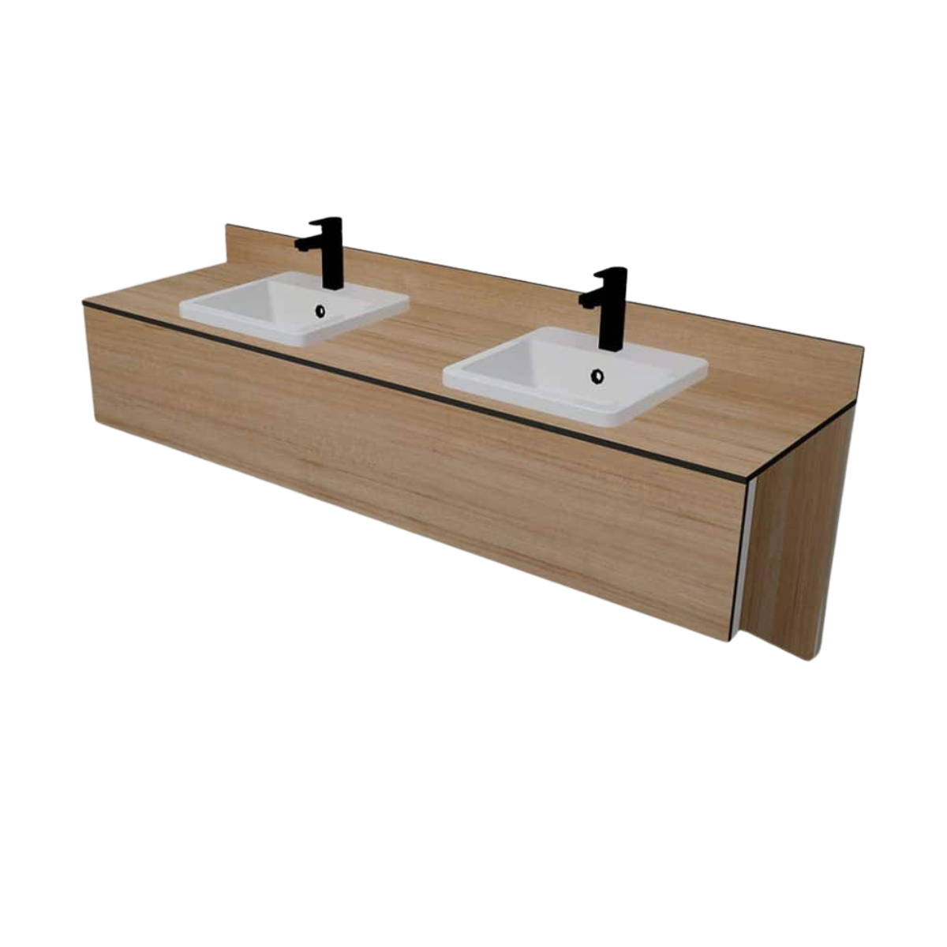
 | VB02 | Vanity Bench | Vanity Bench – Semi-recessed (VB350) | Board Selection: Bench, Splashback, Drop Front: Durasafe 13mm [insert Durasafe colour here] Wall Fixing: Duracube custom bracket | DuraCube 1300 387 228 sales@duracube.com.au | 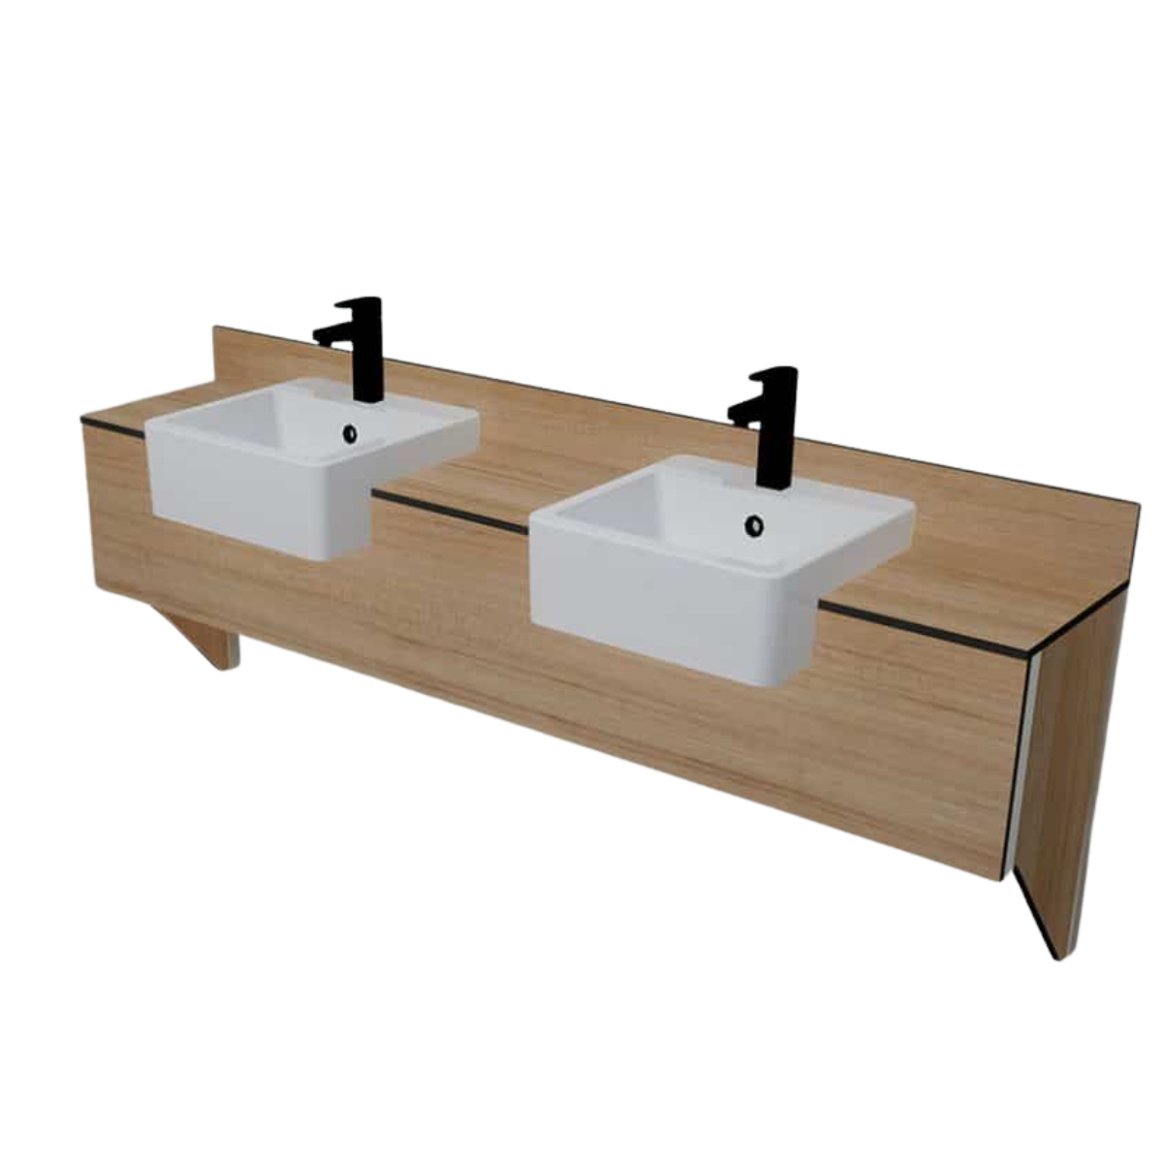
 | VC01 | Vanity Cabinet | Vanity Cabinet – Inset (VCWM520) | Board Selection: Bench, Splashback, Drop Front: Durasafe 13mm [insert Durasafe colour here] Cabinet doors: Durasafe 13mm [insert Durasafe colour here] Wall Fixing: Duracube custom bracket | DuraCube 1300 387 228 sales@duracube.com.au | 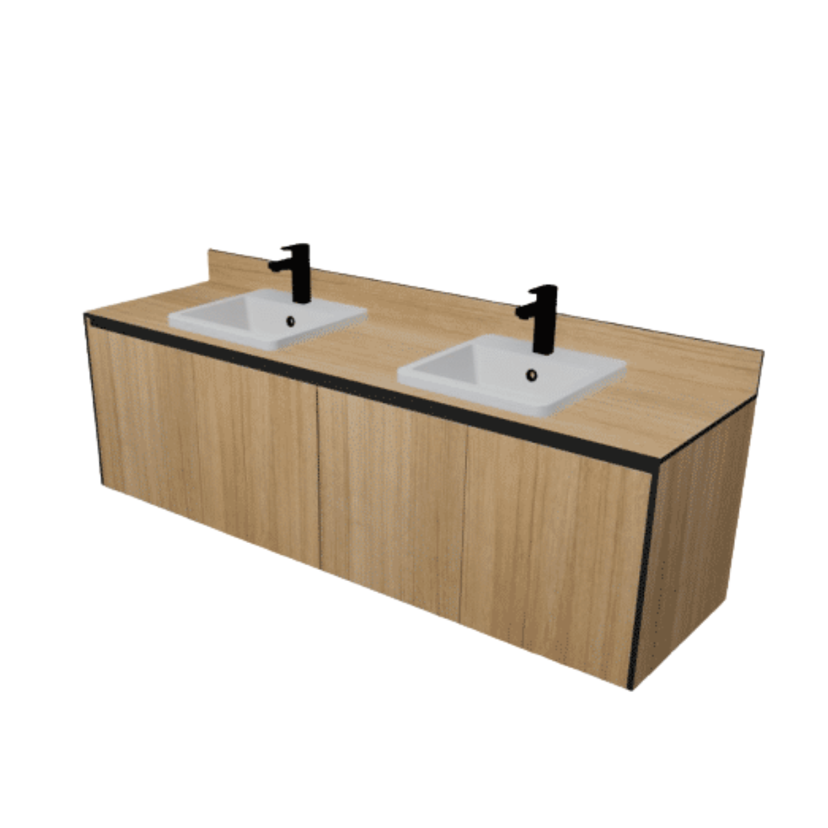
 | VC02 | Vanity Cabinet | Vanity Cabinet – Semi-recessed (VCWM350) | Board Selection: Bench, Splashback, Drop Front: Durasafe 13mm [insert Durasafe colour here] Cabinet doors: Durasafe 13mm [insert Durasafe colour here] Wall Fixing: Duracube custom bracket | DuraCube 1300 387 228 sales@duracube.com.au | 